Reference Pictures
Typical Heat Trace System Components | Typical Heat Trace Cable Allowances |  | Typical Heat Trace Configuration
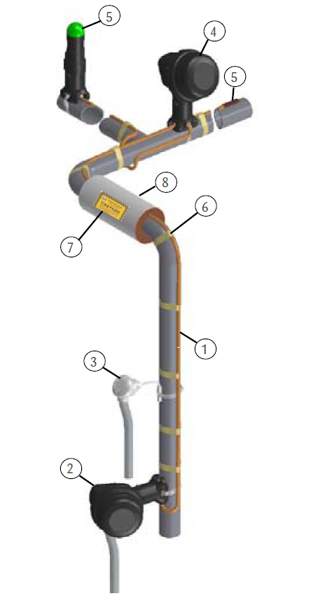 | 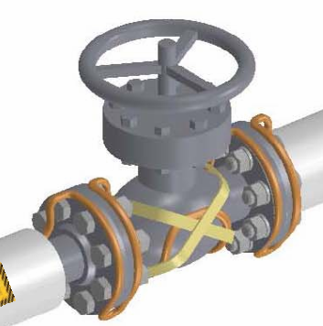 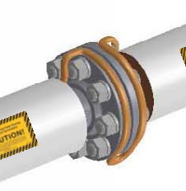 |  | 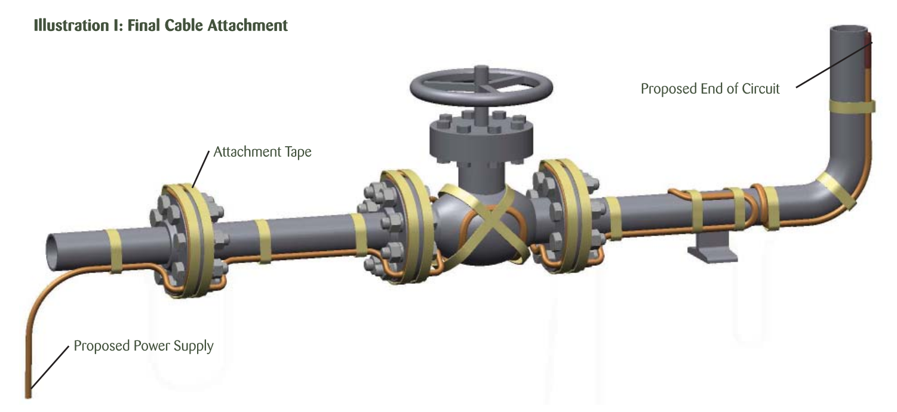

 | Heat Trace Around Flange | Heat Trace Around Valve

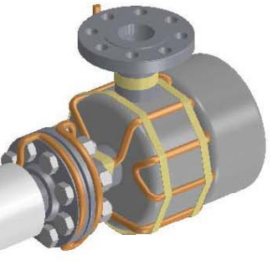
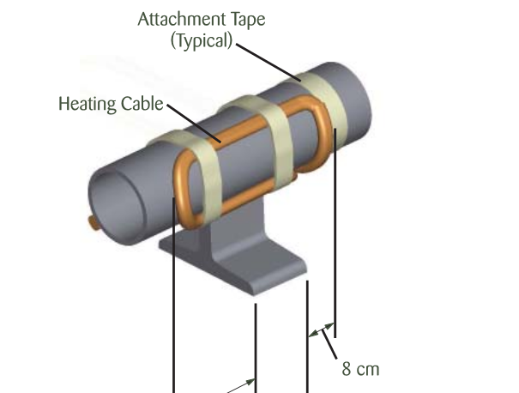

 | Heat Trace Around Pump | Heat Trace Around Support

System Graphs
System Code | Pipe Length (LF) | Heater Cable Length (LF)
AXS | 456 | 888 | 1.9
BFW | 1840 | 3304 | 1.8
CND | 786 | 1116 | 1.4
CTP | 54 | 125 | 2.3
DWS | 672 | 1307 | 1.9
DWT | 4 | 25 | 6.3
HPS | 62 | 320 | 5.2
HRH | 590 | 942 | 1.6
PDR | 8 | 23 | 2.9
PWS | 67 | 298 | 4.4
SDR | 93 | 142 | 1.5
WDR | 44 | 118 | 2.7

